1. Title Page
Instacart Data Analysis

Project Name: Instacart Data Analysis
Date: 16/01/2025
Analyst Name: Nhung Pham Thi

Contents:
Population Flow
Consistency checks
Wrangling steps
Column derivations
Visualizations
Recommendations

Data Source
“The Instacart Online Grocery Shopping Dataset 2017”, Accessed from www.instacart.com/datasets/grocery-shopping-2017 via Kaggle on 9/4/2024.
The customer data you explored, as well as the “prices” column in the products data set, were both fabricated for the purpose of this course

2. Population Flow
Title page

Population flow

Exclusion flag
Condition: max_order < 5
Obervations to be removed: 1,444,295
Final total count of order_products_all: 30,964,564

Orders_products_merged
Orders_products_merged
Orders_products_customers

Total: 32,404,858
Total: 32,434,488
Total: 32,404,858

1.) The grey boxes in the first row of the population flow represent the original data sets as they were when you downloaded them. In the Total fields you need to add the count of the rows when you imported the data set into Jupyter.
2.) The second row of boxes (coloured) represents the data sets after you manipulated them, e.g., removed missing values and duplicates. In the Total fields you need to add the count of the rows after conducting these operations. This offers a visual oveview of how the data flows throughout the data consistency checks.
3.) The third row, where also the arrows are coloured, represents the merges you performed between the datasets. In the Total fields you need to add the count of the rows in the merged datasets, so that you end up with the final dataset (in the red box). Keep in mind the final dataset should be without exclusions (based on the exclusion flag).

3. Consistency checks
 |  |  |  | Title page
Consistency checks

Dataset | Missing values | Missing values treatment | Duplicates
orders | ['days_since_last_order'] (206209) | Added a new column: 'first_order' as flag variable | No duplicates found
products | ['product_name'] (16) | Missing values removed | Dropped 5 dulplicat rows
orders_products_prior | No missing values | N/a | No duplicates found
customers | No missing values | N/a | No duplicates found
department

4. Wrangling steps
 |  |  |  |  |  | Title page
Wrangling steps

Data Set | Columns dropped | Rows dropped | Columns renamed | Columns' type changed | Comment/Reason
orders.csv | ['eval_set'] |  |  |  | irrelevant to the analysis
 |  |  | order_dow ---> order_day_of_the_week |  | for easy readiness
 |  |  | days_since_prior_order ---> days_since_last_order |  | for easy readiness
 |  |  |  | ['User_id'] | changed from numerical to string
 |  |  |  | ['order_id'] | changed from numerical to string
customer.csv |  |  | First Name ---> first_name
 |  |  | Surnam ---> surname
 |  |  | Gender ---> gender
 |  |  | STATE ---> state
 |  |  | Age ---> age
 |  |  | n_dependants---> number_dependant
 |  |  | fam_status ---> marital_status
 |  |  |  | ['user_id'] | changed from int64 ---> object (str) for the merge (key column)
 |  |  |  | ['first_name'] | changed from mixed data type ---> object (str)
 |  |  |  | ['n_dependants'] | changed from int64 ---> int32, downsize data set
 |  |  |  | ['income'] | changed from int64 ---> int32, downsize data set
ords_prods_merged.pkl | ['_merge']
 | ['match']
ords_prods_customer_merged.pkl | ['match'] | ['activity_flag'] == low-activity customer (27,759,705) |  |  | drop column prior to the merge with department data
 | ['Unnamed: 0'] |  |  |  | drop column prior to the merge with department data
 |  |  |  | ['age'] | change from string ('O') to int16 for analysis

5. Column derivations
 |  |  |  | Title page

Column derivations and aggregations

Dataset | New column | Column/s it was derived from | Conditions
orders | first_order | days_since_prior_order' | NaN
ords_prods_merge | price_range | prices | if prices <= 5 then 'low-range product' if prices >5 & <= 15 then 'mid-range product' if prices > 15 then 'high-range product' else 'not enough data'
 | busiest_day | orders_day_of_week | if value == 0 then 'busiest day' if value == 4 then 'least busy' else 'regularly busy'
 | busiest_days | orders_day_of_week | if value == 0 or 1 then 'busiest days' if value == 3 or 4 then 'slowest days' else 'regularly busy'
 | busiest_period_of_day | hour_of_day | if value == 10 or 11 then 'most orders' if value == 3 or 4 then 'fewest orders' else 'average orders'
 | loyalty_flag | max_order | if value > 40 then 'loyal customer' if value <= 40 & > 10 then 'regular customer' if value < 10 then 'new customer'
 | mean_spend | prices | average price per customer
 | spending_flag | mean_spend | if value > 10 then 'low spender' if value >= 10 then 'high customer'
 | customer_frequency | days_since_prior_order | if value < 20 then 'non_frequent_customer' if value <= 20 & > 10 then 'regular customer' if value > 10 then 'frequent customer'
orders_products_customers | region | state | State defined into regions according to this List of regions of the United States
 | activity_flag | max_order | if value < 5 then 'low-activity customer' if value >= 5 then 'high-activity customer'
 | income_group | income | if value > 150000 then 'high income' if value >= 55000 & < 150000 then 'middle income' if value < 55000 then 'low income'
low_activity_excluded | age_group | age | if value > 64 then 'senior' if value > 44 & <= 64 then 'middle-aged' if value > 25 & <= 44 then 'adult' if value <= 25 then 'young adult'
 | dependants_flag | number_dependant | if value == 0 then 'no dependants' if value >= 1 then 'has dependants'

first_order |  | price_range
False 30328763 |  | Mid-range product 673183
True 2076096 |  | Low-range product 314392
Name: count, dtype: int64 |  | High range 12425
 |  | Name: count, dtype: int64

busiest_day |  | busiest_days
Regularly busy 22416875 |  | Regularly busy 12916111
Busiest day 6204182 |  | Busiest days 11864412
Least busy 3783802 |  | Slowest days 7624336
Name: count, dtype: int64 |  | Name: count, dtype: int64

busiest_period_of_day |  | loyalty_flag
Average orders 26802436 |  | Regular customer 15876776
Most Orders 5497900 |  | Loyal customer 10284093
Fewest orders 104523 |  | New customer 6243990
Name: count, dtype: int64 |  | Name: count, dtype: int64

spending_flag |  | customer_frequency
Low spender 31770614 |  | Frequent customer 21559853
High spender 634245 |  | Regular customer 7208564
Name: count, dtype: int64 |  | Non-frequent customer 3636437
 |  | Name: count, dtype: int64

activity_flag |  | income_group
high-activity customer 30964564 |  | middle-income 22617642
low-activity customer 1440295 |  | low-income 4452388
Name: count, dtype: int64 |  | high-income 3894534
 |  | Name: count, dtype: int64

age_group |  | dependants_flag
middle-aged 9690051 |  | has dependants 23224883
adult 9214451 |  | no dependants 7739681
senior 8195544 |  | Name: count, dtype: int64
young adult 3864518
Name: count, dtype: int64

6. Visualizations
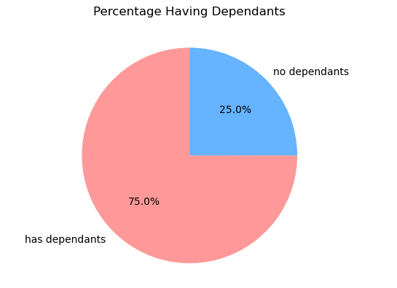
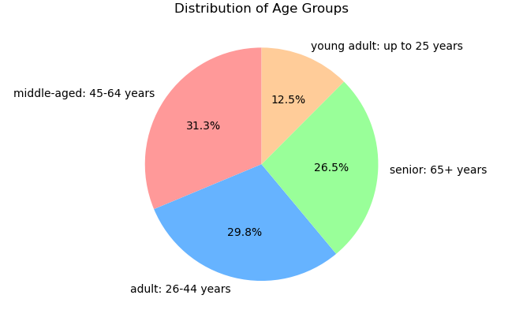
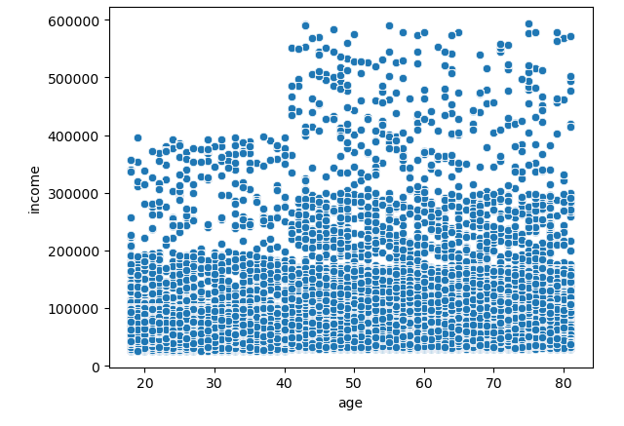
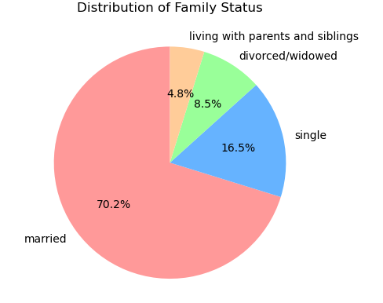
 | Title page

Visualisations

Question 1.
From the Sales Team: What are the busiest days of the week and hours of the day?

Commentary
During the week, the buriest days are Saturday and Sunday and the least bust days are Tuesday and Wednesday are. Most orders are between 9am and 4pm with a peak at 10am to 11am.

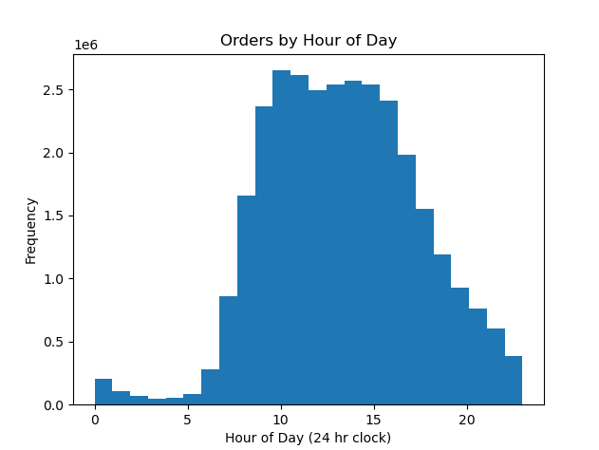
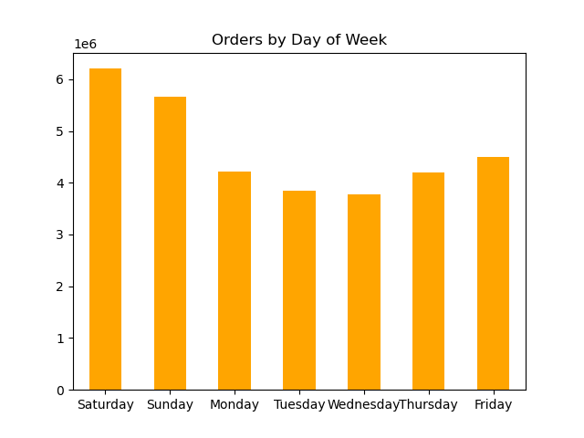

Question 2
From the Sales Team: Are there particular times of day when people spend the most money?

Commentary
In general, in the late morning of the day and weekend the sales are higher, but not so clear
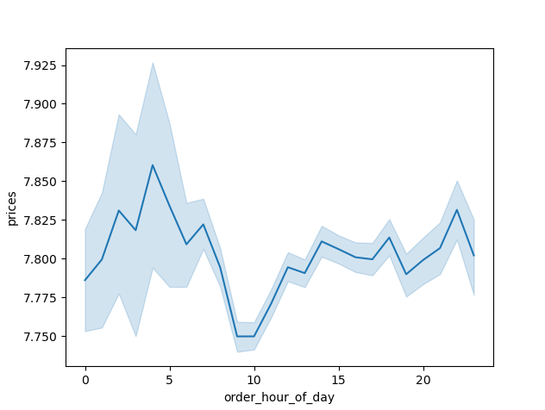
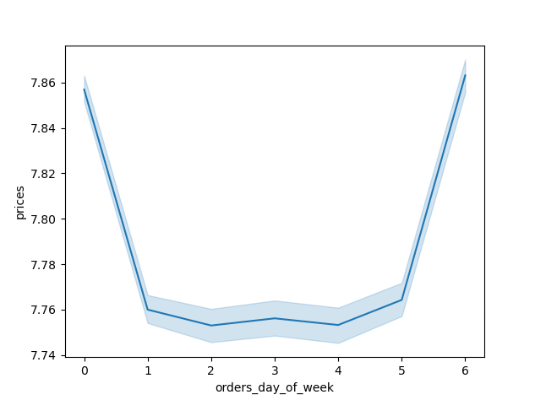
Spending by Hour of the Day
Spending by Day of Week

Question 3.
Marketing and Sales Team: Are there certain products that are more popular than others?

Commentary
Yes, Prodce, Dairy/eggs, snacks, and beverages are the most popular when we count by age groups or regions

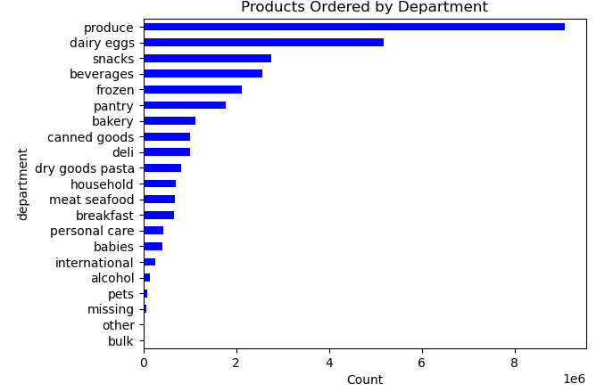
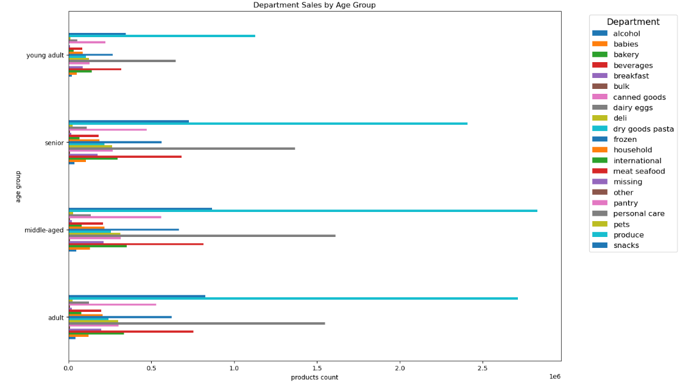
s

Question 4
Marketing and Sales Team: What is the distribution among users as to how often they return to Instacart?

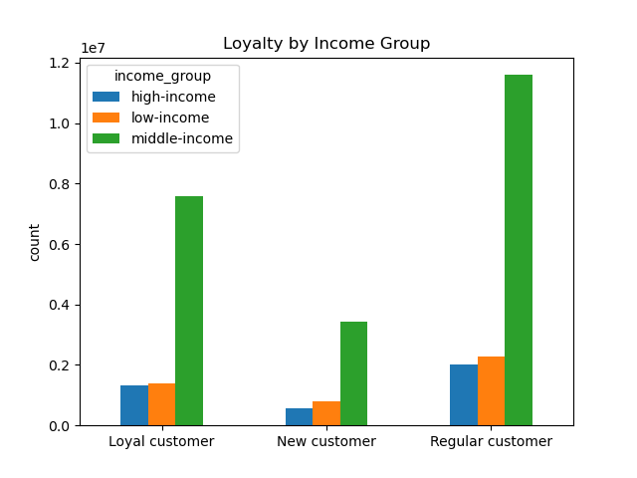
Commentary
Middle-aged and middle -income groups are the most often return to Instacart.
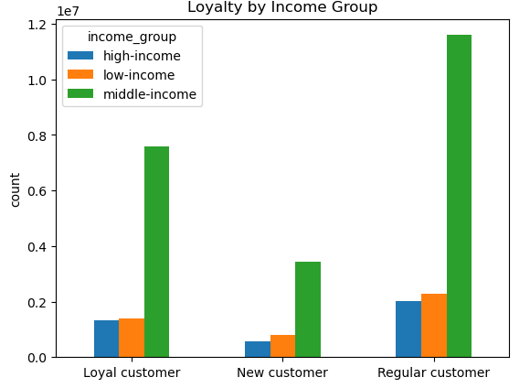
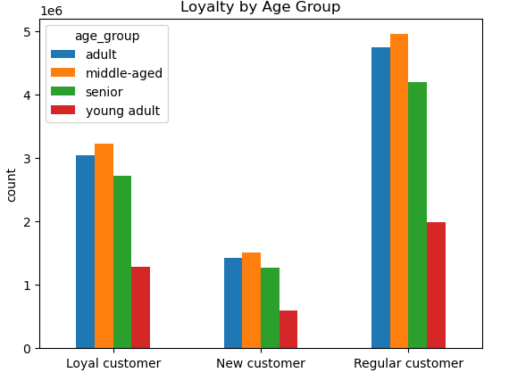

Question 5
Marketing and Sales Team: Are there differences in ordering habits based on loyalty status?

Commentary
At three of customer groups, most customers are considered to be low spenders

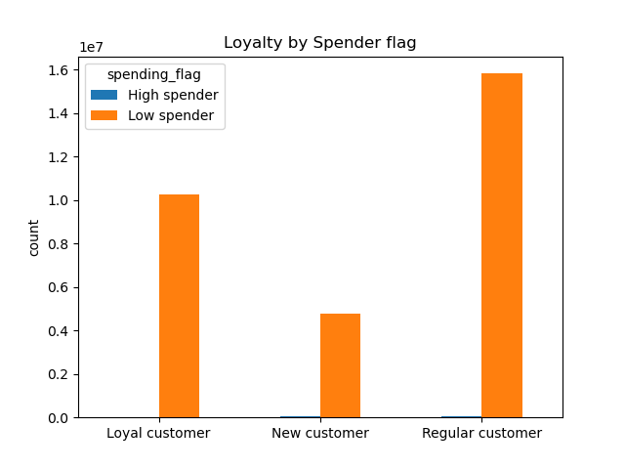

Question 6
Marketing and Sales Team: Are there differences in ordering habits based on region?

Commentary
The chart shows that the South and the West region consume the largest amount of produce, snacks and dariy/eggs. However, population in these regions are also higher.

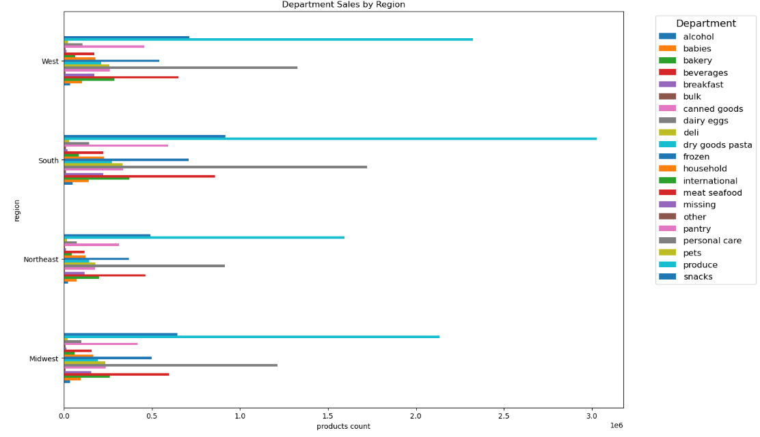

Question 7
Marketing and Sales Team: Is there a connection between age and family status and ordering habits?

Commentary
Most customers are adult or middle-aged, married, and have dependants, but this trend can be understanded because those customers often buy for whole family.
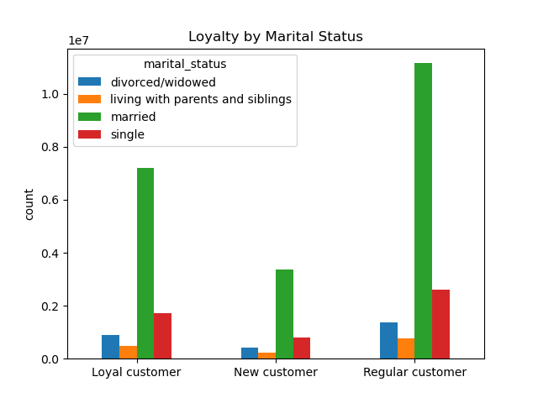
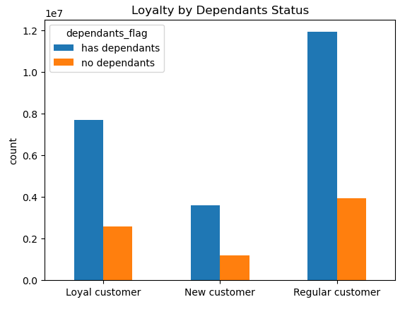
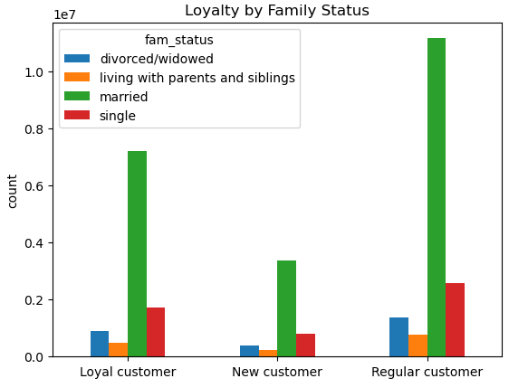

Question
Marketing and Sales Team: What different classifications does the demographic information suggest? Age? Income? Certain types of goods? Family status??

Commentary
The key demographic for those using Instacart are adult to middle-age, middle-income parents. This makes sense as thes would be the larger holdholds that would consume more products.

7. Recommendations
 |  |  | Title page

Recommendations

Question | Answer | Recommendations
What are the busiest days of the week and hours of the day? | During the week, the buriest days are Saturday and Sunday and the least bust days are Tuesday and Wednesday are. Most orders are between 9am and 4pm with a peak at 10am to 11am. | At the weekend or buriest hours, we need to make sure Instacart has more staff to run the business well because the order amount strongly increased. During middle of the week we should provide promotions to get more orders/more customers
Are there differences in ordering habits based on loyalty status? | Most customers are considered to be low spenders. | Need to know more characters/shoping behavious/shoping demand of "low spenders" because they are important customers. This could help to make good advertisement or sale strategy.
Are there differences in ordering habits based on region? | The chart shows that the South and the West region consume the largest amount of produce, snacks and dariy/eggs. However, Population in these regions are also higher. | Need to integrate population data in the dataset, then we can answer the question better, then find out the main market regions.
What is the distribution among users as to how often they return to Instacart? Is there a connection between age and family status and ordering habits? What different classifications does the demographic information suggest? Age? Income? Certain types of goods? Family status?? | Most customers are adult or middle-aged, married, middle-income and have dependants. Also those in the upper income bracket tend to be over 40. | Need to have special promotion for those groups of customers to keep them and get more customers who will get married, have kids. For example, on family day, father day, mother day, birthday of familly members and middle of the week, those customers could get more discount. It would be better if you have population structure by age, income, maritual status, then we can predict better about potential customers.
What differences can you find in ordering habits of different customer profiles? Consider the price of orders, the frequency of orders, the products customers are ordering. | The key demographic for those using Instacart are adult to middle-age, middle-income parents. This makes sense as these would be the larger holdholds that would consume more products. | It seems that Instacart’s product and current customer base are a good fit. Does Instacart want to expand its customer base to other groups (elderly, high income, high spenders) or focus on its current customer base? Expanding to older or younger customers may help improve sales during the middle of the week because these customers have more free time, however, when the customer base is diverse, it also means that the product offerings need to be more diverse.

